Ark1 (2)
id | x | y |  | 0 | 1 | 2 | 3 | 4 | 5 | 6 | 7 | 8 | 9 | 10 | 11 | 12 | 13 | 14
0 | 14 | 1 | 0 | 0 | 14.76482306 | 15.556349186 | 9 | 10.049875621 | 5.3851648071 | 14.866068747 | 14.76482306 | 6.3245553203 | 9 | 11 | 8.2462112512 | 10.770329614 | 6.7082039325 | 12.165525061
1 | 1 | 8 | 1 | 14.76482306 | 0 | 4.472135955 | 8.0622577483 | 12.369316877 | 11.180339887 | 5 | 0 | 8.602325267 | 8.0622577483 | 13.601470509 | 11.045361017 | 4.2426406871 | 8.0622577483 | 5.0990195136
2 | 3 | 12 | 2 | 15.556349186 | 4.472135955 | 0 | 11.180339887 | 10.049875621 | 10.816653826 | 1 | 4.472135955 | 10.295630141 | 11.180339887 | 11 | 9.4868329805 | 7.0710678119 | 9.4339811321 | 9.0553851381
3 | 5 | 1 | 3 | 9 | 8.0622577483 | 11.180339887 | 0 | 12.806248475 | 8.602325267 | 11.045361017 | 8.0622577483 | 3.6055512755 | 0 | 14.212670404 | 10.630145813 | 4.1231056256 | 4.2426406871 | 3.6055512755
4 | 13 | 11 | 4 | 10.049875621 | 12.369316877 | 10.049875621 | 12.806248475 | 0 | 5.0990195136 | 9.0553851381 | 12.369316877 | 9.4339811321 | 12.806248475 | 1.4142135624 | 2.2360679775 | 10.816653826 | 8.602325267 | 13.601470509
5 | 12 | 6 | 5 | 5.3851648071 | 11.180339887 | 10.816653826 | 8.602325267 | 5.0990195136 | 0 | 10 | 11.180339887 | 5 | 8.602325267 | 6.3245553203 | 3 | 8.0622577483 | 4.472135955 | 10.440306509
6 | 4 | 12 | 6 | 14.866068747 | 5 | 1 | 11.045361017 | 9.0553851381 | 10 | 0 | 5 | 9.8488578018 | 11.045361017 | 10 | 8.5440037453 | 7 | 8.94427191 | 9.2195444573
7 | 1 | 8 | 7 | 14.76482306 | 0 | 4.472135955 | 8.0622577483 | 12.369316877 | 11.180339887 | 5 | 0 | 8.602325267 | 8.0622577483 | 13.601470509 | 11.045361017 | 4.2426406871 | 8.0622577483 | 5.0990195136
8 | 8 | 3 | 8 | 6.3245553203 | 8.602325267 | 10.295630141 | 3.6055512755 | 9.4339811321 | 5 | 9.8488578018 | 8.602325267 | 0 | 3.6055512755 | 10.816653826 | 7.2111025509 | 4.472135955 | 1 | 6
9 | 5 | 1 | 9 | 9 | 8.0622577483 | 11.180339887 | 0 | 12.806248475 | 8.602325267 | 11.045361017 | 8.0622577483 | 3.6055512755 | 0 | 14.212670404 | 10.630145813 | 4.1231056256 | 4.2426406871 | 3.6055512755
10 | 14 | 12 | 10 | 11 | 13.601470509 | 11 | 14.212670404 | 1.4142135624 | 6.3245553203 | 10 | 13.601470509 | 10.816653826 | 14.212670404 | 0 | 3.6055512755 | 12.206555616 | 10 | 15
11 | 12 | 9 | 11 | 8.2462112512 | 11.045361017 | 9.4868329805 | 10.630145813 | 2.2360679775 | 3 | 8.5440037453 | 11.045361017 | 7.2111025509 | 10.630145813 | 3.6055512755 | 0 | 8.94427191 | 6.4031242374 | 11.66190379
12 | 4 | 5 | 12 | 10.770329614 | 4.2426406871 | 7.0710678119 | 4.1231056256 | 10.816653826 | 8.0622577483 | 7 | 4.2426406871 | 4.472135955 | 4.1231056256 | 12.206555616 | 8.94427191 | 0 | 4.1231056256 | 2.8284271247
13 | 8 | 4 | 13 | 6.7082039325 | 8.0622577483 | 9.4339811321 | 4.2426406871 | 8.602325267 | 4.472135955 | 8.94427191 | 8.0622577483 | 1 | 4.2426406871 | 10 | 6.4031242374 | 4.1231056256 | 0 | 6.0827625303
14 | 2 | 3 | 14 | 12.165525061 | 5.0990195136 | 9.0553851381 | 3.6055512755 | 13.601470509 | 10.440306509 | 9.2195444573 | 5.0990195136 | 6 | 3.6055512755 | 15 | 11.66190379 | 2.8284271247 | 6.0827625303 | 0
 |  |  |  | 1 | 2 | 2 | 4 | 3 | 2 | 2 | 2 | 4 | 4 | 3 | 4 | 2 | 2 | 4

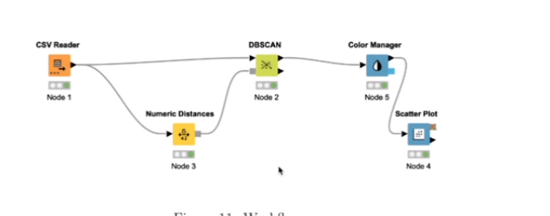

 |  |  |  | 0 | 1 | 2 | 5 | 6 | 7 | 12 | 13
 |  |  | 3 | 9 | 8.0622577483 | 11.180339887 | 8.602325267 | 11.045361017 | 8.0622577483 | 4.1231056256 | 4.2426406871
 |  |  | 4 | 10.049875621 | 12.369316877 | 10.049875621 | 5.0990195136 | 9.0553851381 | 12.369316877 | 10.816653826 | 8.602325267
 |  |  | 8 | 6.3245553203 | 8.602325267 | 10.295630141 | 5 | 9.8488578018 | 8.602325267 | 4.472135955 | 1
 |  |  | 9 | 9 | 8.0622577483 | 11.180339887 | 8.602325267 | 11.045361017 | 8.0622577483 | 4.1231056256 | 4.2426406871
 |  |  | 10 | 11 | 13.601470509 | 11 | 6.3245553203 | 10 | 13.601470509 | 12.206555616 | 10
 |  |  | 11 | 8.2462112512 | 11.045361017 | 9.4868329805 | 3 | 8.5440037453 | 11.045361017 | 8.94427191 | 6.4031242374
 |  |  | 14 | 12.165525061 | 5.0990195136 | 9.0553851381 | 10.440306509 | 9.2195444573 | 5.0990195136 | 2.8284271247 | 6.0827625303

 |  |  | CORE | 3, 4, 8, 9, 10, 11, 14
 |  |  | BORDER | 5, 12, 13
 |  |  | NOISE | 0, 1, 2, 6, 7

 |  |  | Point | 0 | 1 | 2 | 3 | 4 | 5 | 6 | 7 | 8 | 9 | 10 | 11 | 12 | 13 | 14
 |  |  | Cluster | None | None | None | 1 | 2 | 6 | None | None | 3 | 4 | 5 | 6 | 7 | 3 | 7

 |  |  |  | 3 | 4 | 8 | 9 | 10 | 11 | 14 |  | We can merge 3, 8, 9, 14 in 1 cluster
 |  |  | 3 | 0 | 12.806248475 | 3.6055512755 | 0 | 14.212670404 | 10.630145813 | 3.6055512755 |  | Merge 4, 10, 11 in second cluster
 |  |  | 4 | 12.806248475 | 0 | 9.4339811321 | 12.806248475 | 1.4142135624 | 2.2360679775 | 13.601470509
 |  |  | 8 | 3.6055512755 | 9.4339811321 | 0 | 3.6055512755 | 10.816653826 | 7.2111025509 | 6 |  | We finally get
 |  |  | 9 | 0 | 12.806248475 | 3.6055512755 | 0 | 14.212670404 | 10.630145813 | 3.6055512755 |  | Cluster 1 | Cluster 2
 |  |  | 10 | 14.212670404 | 1.4142135624 | 10.816653826 | 14.212670404 | 0 | 3.6055512755 | 15 |  | 3 | 4
 |  |  | 11 | 10.630145813 | 2.2360679775 | 7.2111025509 | 10.630145813 | 3.6055512755 | 0 | 11.66190379 |  | 8 | 10
 |  |  | 14 | 3.6055512755 | 13.601470509 | 6 | 3.6055512755 | 15 | 11.66190379 | 0 |  | 9 | 11
 |  |  |  |  |  |  |  |  |  |  |  | 14 | 5
 |  |  |  |  |  |  |  |  |  |  |  | 12
 |  |  |  |  |  |  |  |  |  |  |  | 13

Ark1
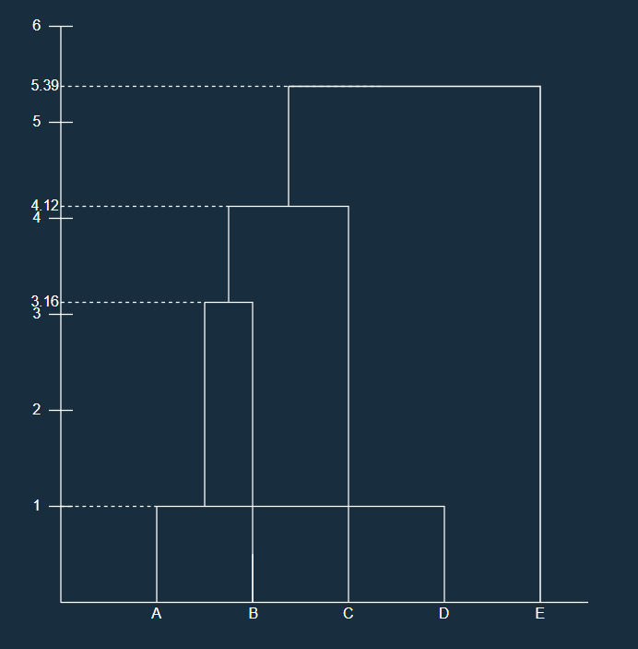
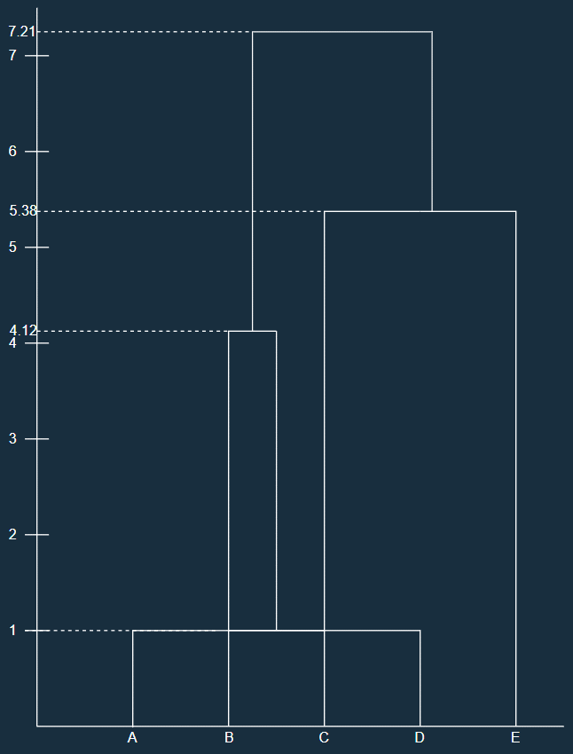
 |  |  | MIN-Link |  |  |  |  |  | MAX-Link
ID | x | y |  | A | B | C | D | E |  | A | B | C | D | E
A | 5 | 7 | A | 0 | 4.1231056256 | 4.1231056256 | 1 | 7.2111025509 | A | 0 | 4.1231056256 | 4.1231056256 | 1 | 7.2111025509
B | 4 | 3 | B | 4.1231056256 | 0 | 7.0710678119 | 3.1622776602 | 7 | B | 4.1231056256 | 0 | 7.0710678119 | 3.1622776602 | 7
C | 9 | 8 | C | 4.1231056256 | 7.0710678119 | 0 | 4.472135955 | 5.3851648071 | C | 4.1231056256 | 7.0710678119 | 0 | 4.472135955 | 5.3851648071
D | 5 | 6 | D | 1 | 3.1622776602 | 4.472135955 | 0 | 6.7082039325 | D | 1 | 3.1622776602 | 4.472135955 | 0 | 6.7082039325
E | 11 | 3 | E | 7.2111025509 | 7 | 5.3851648071 | 6.7082039325 | 0 | E | 7.2111025509 | 7 | 5.3851648071 | 6.7082039325 | 0
 |  |  | A, D |  |  |  |  |  | A, D

 |  |  |  | A, D | B | C | E |  |  | A, D | B | C | E
 |  |  | A, D | 0 | 3.1622776602 | 4.1231056256 | 6.7082039325 |  | A, D | 0 | 4.1231056256 | 4.472135955 | 7.2111025509
 |  |  | B | 3.1622776602 | 0 | 7.0710678119 | 7 |  | B | 4.1231056256 | 0 | 7.0710678119 | 7
 |  |  | C | 4.1231056256 | 7.0710678119 | 0 | 5.3851648071 |  | C | 4.472135955 | 7.0710678119 | 0 | 5.3851648071
 |  |  | E | 6.7082039325 | 7 | 5.3851648071 | 0 |  | E | 7.2111025509 | 7 | 5.3851648071 | 0
 |  |  | AD, B |  |  |  |  |  | AD, B

 |  |  |  | A, B, D | C | E |  |  |  | A, B, D | C | E
 |  |  | A, B, D | 0 | 4.1231056256 | 6.7082039325 |  |  | A, B, D | 0 | 7.0710678119 | 7.2111025509
 |  |  | C | 4.1231056256 | 0 | 5.3851648071 |  |  | C | 7.0710678119 | 0 | 5.3851648071
 |  |  | E | 6.7082039325 | 5.3851648071 | 0 |  |  | E | 7.2111025509 | 5.3851648071 | 0
 |  |  | ABD, C |  |  |  |  |  | C, E

 |  |  |  | A, B, C, D | E |  |  |  |  | A, B, D | C, E
 |  |  | A, B, C, D | 0 | 5.3851648071 |  |  |  | A, B, D | 0 | 7.2111025509
 |  |  | E | 5.3851648071 | 0 |  |  |  | C, E | 7.2111025509 | 0
 |  |  | ABCD, E |  |  |  |  |  | ABD, CE

